Performance Evaluation
Pre-loaded input provided as a sample only
1
Overall TSS Removal Summary - Area 0.2ha; Model SW-1200 (1.2m-D)
 | Cumulative Rainfall | Cumulative %TSS Removal | Water Quality Target
1.5 | 10% | 7.0% | 60%
2.0 | 20% | 13.9% | 60%
2.6 | 30% | 20.7% | 60%
3.3 | 40% | 27.2% | 60%
4.2 | 50% | 33.6% | 60%
5.4 | 60% | 39.9% | 60%
7.1 | 70% | 45.9% | 60%
10.2 | 80% | 51.6% | 60%
16.3 | 90% | 57.1% | 60%
35.2 | 100% | 61.1% | 60%
OGS REVIEW SHEET PERFORMANCE EVALUATION
All cells in blue are mandatory inputs |  |  |  |  |  |  |  | Version 0.9 - | 9-Jul-21 | Charts - Summary Performance | Flowchart - OGS Performance Evaluation Methodology
1. Project Background
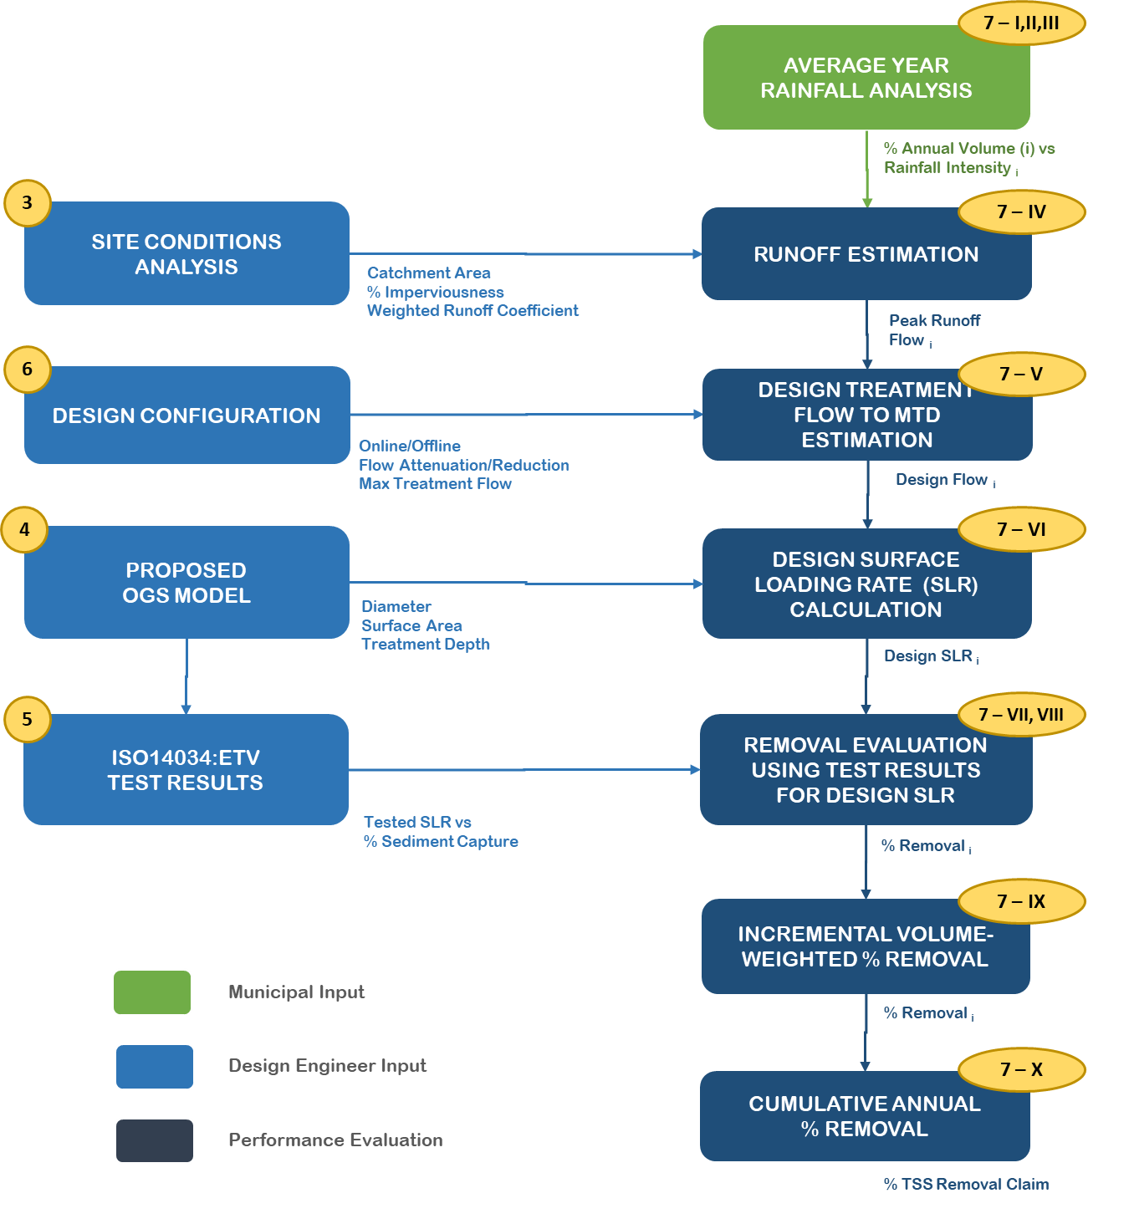
Project Name |  | Sample Development

Site Location |  | 123 Sample Street, Toronto

Reference Documentation |  | SWM Report, Drawings X, Y,Z

2
2. Design and Performance Requirement

MTD Application |  | Stand-Alone |  | OGS Pre-treatment to underground chamber system

Describe Application |  | Treatment train application for catchment with at-source GI/LID measures to meet site-wide 80% TSS removal

Min MTD TSS Removal Req |  | 60% |  |  | Oil Retention? |  | Yes

3
3. Site Design Characteristics

Catchment Area [ha] |  | 0.2 |  |  | % Imperviousness |  | 80
Runoff Coefficient |  | 0.78

4
5. OGS Selection and Dimensions

?
?
Testing/Verification |  | CETV Laboratory Testing Protocol |  |  |  | ISO14034/ETV Verification Statement

Manufacturer Name |  | Clean Up

Technology Name |  | Dual Swirl |  |  | Proposed Model |  | SW-1200

 |  | Model |  | Diameter [m] | Surface Area [m2] | Treatment Depth [m] | Sediment Depth [m] | Scaling Ratio | % Prop.
Laboratory Tested Model |  | SW-900 |  | 0.90 | 0.64 | 0.90 | 0.45 | 1.00
Proposed Model |  | SW-1200 |  | 1.20 | 1.13 | 1.30 | 0.45 | 1.08 | 108.3%

5
5. ISO14034:ETV Verified Test Results

Sediment Capture Test
SLR [L/min/m2] |  | 40 | 80 | 200 | 400 | 600 | 1000 | 1400 | 1800
Removal Efficiency [%] |  | 70.0% | 65.0% | 58.0% | 54.0% | 44.0% | 38.0% | 31.0% | 0.0%

Scour Test
SLR [L/min/m2] |  | 200 | 800 | 1400 | 2000 | 2600 |  |  |  |  | See embedded comments in cells for formulas and additional descriptions
Effluent Conc. [mg/L] |  | 2.0 | 4.0 | 10.0 | 15.0 | 20.0

Tested for Oil Retention? |  | Yes |  |  |  | Bypass Rate (L/min/m2) |  | 1020

6
7. Design Considerations

Tested vs Design TSS Removal Performance - Area 0.2ha; Model SW-1200 (1.2m-D)
 | Test Unit - TSS Removal |  | Design Condition - TSS Removal |  | Design SLR Distribution
40 | 70% | 35 | 70.0% | 35 | 10%
80 | 65% | 46 | 69.2% | 46 | 20%
200 | 58% | 60 | 67.5% | 60 | 30%
400 | 54% | 76 | 65.5% | 76 | 40%
600 | 44% | 97 | 64.0% | 97 | 50%
1000 | 38% | 124 | 62.4% | 124 | 60%
1400 | 31% | 163 | 60.1% | 163 | 70%
1800 | 0% | 235 | 57.3% | 235 | 80%
 |  | 375 | 54.5% | 375 | 90%
 |  | 811 | 40.8% | 811 | 100%
Internal By-Pass? |  | Yes |  |  | Installation Configuration |  | In-Line
Upstream Flow Attenuation? |  | No |  |  | Max Treatment Flow [L/s]

Annual Sediment Volume [m3] |  | 0.17 |  |  | Provided Storage Vol [m3] |  | 0.51

7
9. Performance Evaluation

Average Year TSS Removal Claim |  |  | 61.1%

I | II | III | IV | V | VI | VII | VIII | IX | X
Cummulative % Rainfall Volume | % Rainfall Volume | Design Intensity [mm/hr] | Peak Runoff Flow [L/s] | Design Flow to MTD [L/s] | Design SLR [L/min/m2] | Evaluated TSS Removal [%] | Off-Line TSS Removal [%] | Incremental Removal [%] | Cumulative Removal [%]
10% | 10% | 1.5 | 0.7 | 0.7 | 35 | 70.0% | N/A | 7.0% | 7.0%
20% | 10% | 2.0 | 0.9 | 0.9 | 46 | 69.2% | N/A | 6.9% | 13.9%
30% | 10% | 2.6 | 1.1 | 1.1 | 60 | 67.5% | N/A | 6.8% | 20.7%
40% | 10% | 3.3 | 1.4 | 1.4 | 76 | 65.5% | N/A | 6.6% | 27.2%
50% | 10% | 4.2 | 1.8 | 1.8 | 97 | 64.0% | N/A | 6.4% | 33.6%
60% | 10% | 5.4 | 2.3 | 2.3 | 124 | 62.4% | N/A | 6.2% | 39.9%
70% | 10% | 7.1 | 3.1 | 3.1 | 163 | 60.1% | N/A | 6.0% | 45.9%
80% | 10% | 10.2 | 4.4 | 4.4 | 235 | 57.3% | N/A | 5.7% | 51.6%
90% | 10% | 16.3 | 7.1 | 7.1 | 375 | 54.5% | N/A | 5.4% | 57.1%
100% | 10% | 35.2 | 15.3 | 15.3 | 811 | 40.8% | N/A | 4.1% | 61.1%
8
8. Sign-Off

Design Engineer |  | Clarity Waters, P.Eng.

Date |  | 9-Mar-21

Limitations: 1) The OGS Review Sheet is intended for the purpose of evaluating the average year TSS removal claim from an OGS device, where proposed in a SWM Report. 2) The OGS Review Sheet is not intended for use as an engingineering design/sizing tool. OGS vendor/model selection and design should be in accordance with municipal or Conservation Authority SWM Guidelines. 3) The OGS Review Sheet is to be completed by the Design Engineer (i.e., Licensed Professional Engineer in Ontario) responsible for the preparation of the SWM Report. 4) The Design Engineer shall be responsible for the validity, accuracy, and completeness of all input data and information entered in the OGS Review Sheet. 5) The Design Engineer will not change, alter or vary interpretations to third party verified data used in the OGS Review Sheet, unless supported by official confirmation letter/documentation from the relevent third-party verifying agency. 6) The TRCA is not responsible for the validity or accuracy of third party-verified data, or subsequent changes to third party protocols or processes impacting such data. 7) Completion and submission of the OGS Review Sheet does not guarantee the acceptability of an OGS device, where proposed in a SWM Report.
Source: This OGS Review Sheet has been modified by TRCA from an earlier version developed by the City of Toronto. The City and TRCA do not make any warranty or representation, expressed or implied, with respect to the accuracy or completeness of the inormation provided through this OGS Review Sheet.

Defaults
OGS REVIEW SHEET DEFAULTS
Defaults based on MTD Guidelines
1) Average Year Volume-Intensity Analysis
 | Cumulative Rainfall
1.5 | 10%
2.0 | 20%
2.6 | 30%
3.3 | 40%
4.2 | 50%
5.4 | 60%
7.1 | 70%
10.2 | 80%
16.3 | 90%
35.2 | 100%
Municipality/City/Region |  | Peel |  | USER INPUT
Rainfall data |  | Pearson Airport |  | Municipality/City/Region
Data Time Range |  | 1980-2005 |  | Data Time Range
Data Time Interval |  | hourly |  | Data Time Interval
Analysis Interval |  | hourly |  | Analysis Interval
Number of values included |  | 2766 |  | Number of values included
Hourly rainfall intensity data included |  | > 1mm |  | Hourly RI data included | >1 mm
 |  |  |  | Cummulative % Rainfall Volume | Design Intensity [mm/hr]
Cummulative % Rainfall Volume | % Rainfall Volume | Design Intensity [mm/hr]
10% | 10% | 1.5 |  | 10%
20% | 10% | 2 |  | 20%
30% | 10% | 2.6 |  | 30%
40% | 10% | 3.3 |  | 40%
50% | 10% | 4.2 |  | 50%
60% | 10% | 5.4 |  | 60%
70% | 10% | 7.1 |  | 70%
80% | 10% | 10.2 |  | 80%
90% | 10% | 16.3 |  | 90%
100% | 10% | 35.2 |  | 100%

Average Annual Precipitation [m] |  | 0.759 | << Environment Canada (1939-2013) - Toronto Pearson International Airport

2) Design Considerations

TSS Effluent Threshold for ETV scour test [mg/L] |  | 25 | << CCME - CEQG for high flow, freshwater conditions. Units exceeding threshold at any of the tested surface loading rates require offline installation
Event Mean Concentration [mg/L] |  | 225 | << Upper limit of influent TSS concentration used in the ISO 14034/ETV lab test of OGS MTDs
Wet Density [kg/m3] |  | 1230 | << MECP (2003) - SWMPD - Table 6.3 - Annual Sediment Loadings
Safety Factor for Clean Out Frequency [-] |  | 1 | << O&M clean out target in years

