Reference Schematic
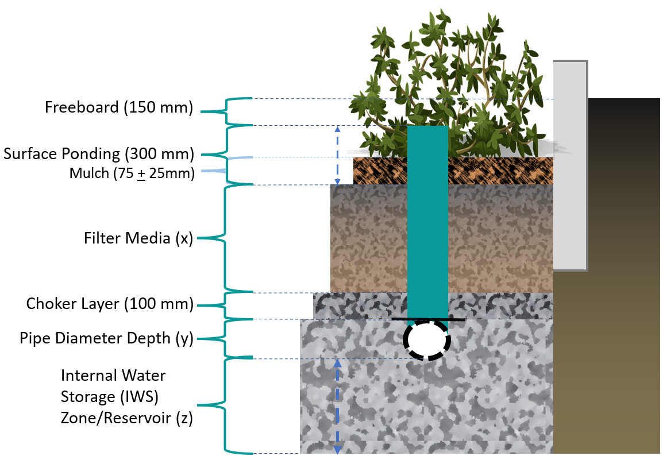
The vertical storage zones in a bioretention cell include: surface ponding layer, mulch, filter media, choker layer, embedded pipe diameter depth and the internal water storage (IWS) reservoir.

